ID01
IDBI MUTUAL FUND (LIVE SCHEMES) | ID01 |  |  |  |  |  | Back to Index
SCHEME NAME : | IDBI Nifty Index Fund
PORTFOLIO STATEMENT AS ON : | 2021-12-31
BENCHMARK INDEX NAME : | NIFTY 50 - TRI
Name of the Instrument / Issuer | ISIN | Rating | Industry ^ | Quantity | Market value (Rs. in Lakhs) | % to AUM | YTM % | Notes & Symbols

EQUITY & EQUITY RELATED
a) Listed/awaiting listing on Stock Exchanges
Reliance Industries Ltd. | INE002A01018 |  | Petroleum Products | 96,730 | 2,290.71 | 10.72
Infosys Ltd. | INE009A01021 |  | Software | 103,907 | 1,961.50 | 9.18
HDFC Bank Ltd. | INE040A01034 |  | Banks | 122,693 | 1,815.12 | 8.49
ICICI Bank Ltd. | INE090A01021 |  | Banks | 194,583 | 1,440.21 | 6.74
Housing Development Finance Corporation Ltd. | INE001A01036 |  | Finance | 50,677 | 1,310.74 | 6.13
Tata Consultancy Services Ltd. | INE467B01029 |  | Software | 29,029 | 1,085.21 | 5.08
Kotak Mahindra Bank Ltd. | INE237A01028 |  | Banks | 41,131 | 738.75 | 3.46
Larsen & Toubro Ltd. | INE018A01030 |  | Construction Project | 33,852 | 641.80 | 3.00
Hindustan Unilever Ltd. | INE030A01027 |  | Consumer Non Durables | 25,022 | 590.56 | 2.76
ITC Ltd. | INE154A01025 |  | Consumer Non Durables | 245,163 | 534.58 | 2.50
Bajaj Finance Ltd. | INE296A01024 |  | Finance | 7,443 | 519.32 | 2.43
State Bank of India | INE062A01020 |  | Banks | 107,530 | 495.12 | 2.32
Axis Bank Ltd. | INE238A01034 |  | Banks | 72,203 | 489.93 | 2.29
Bharti Airtel Ltd. | INE397D01024 |  | Telecom - Services | 66,188 | 452.59 | 2.12
Asian Paints Ltd. | INE021A01026 |  | Consumer Non Durables | 12,635 | 427.44 | 2.00
HCL Technologies Ltd. | INE860A01027 |  | Software | 30,432 | 401.43 | 1.88
Tech Mahindra Ltd. | INE669C01036 |  | Software | 17,410 | 311.73 | 1.46
Wipro Ltd. | INE075A01022 |  | Software | 41,485 | 296.76 | 1.39
Titan Company Ltd. | INE280A01028 |  | Consumer Durables | 11,696 | 295.02 | 1.38
Bajaj Finserv Ltd. | INE918I01018 |  | Insurance | 1,695 | 278.09 | 1.30
Maruti Suzuki India Ltd. | INE585B01010 |  | Auto | 3,725 | 276.64 | 1.29
Sun Pharmaceutical Industries Ltd. | INE044A01036 |  | Pharmaceuticals | 30,254 | 255.86 | 1.20
Tata Steel Ltd. | INE081A01012 |  | Ferrous Metals | 22,256 | 247.36 | 1.16
Ultratech Cement Ltd. | INE481G01011 |  | Cement & Cement Products | 3,236 | 245.65 | 1.15
Tata Motors Ltd. | INE155A01022 |  | Auto | 50,233 | 242.32 | 1.13
Mahindra & Mahindra Ltd. | INE101A01026 |  | Auto | 26,823 | 224.55 | 1.05
Nestle India Ltd. | INE239A01016 |  | Consumer Non Durables | 1,000 | 197.06 | 0.92
Power Grid Corporation of India Ltd. | INE752E01010 |  | Power | 95,785 | 195.78 | 0.92
Hindalco Industries Ltd. | INE038A01020 |  | Non - Ferrous Metals | 40,927 | 194.63 | 0.91
JSW Steel Ltd. | INE019A01038 |  | Ferrous Metals | 27,770 | 182.16 | 0.85
Grasim Industries Ltd. | INE047A01021 |  | Cement & Cement Products | 10,513 | 170.55 | 0.80
HDFC Life Insurance Company Ltd. | INE795G01014 |  | Insurance | 26,098 | 169.52 | 0.79
Dr. Reddy's Laboratories Ltd. | INE089A01023 |  | Pharmaceuticals | 3,406 | 167.13 | 0.78
Divi's Laboratories Ltd. | INE361B01024 |  | Pharmaceuticals | 3,571 | 167.06 | 0.78
NTPC Ltd. | INE733E01010 |  | Power | 133,196 | 165.70 | 0.78
IndusInd Bank Ltd. | INE095A01012 |  | Banks | 17,975 | 159.64 | 0.75
Adani Ports and Special Economic Zone Ltd. | INE742F01042 |  | Transportation | 20,598 | 150.43 | 0.70
SBI Life Insurance Company Ltd. | INE123W01016 |  | Insurance | 12,336 | 147.54 | 0.69
Oil & Natural Gas Corporation Ltd. | INE213A01029 |  | Oil | 102,243 | 145.59 | 0.68
Cipla Ltd. | INE059A01026 |  | Pharmaceuticals | 14,472 | 136.63 | 0.64
Tata Consumer Products Ltd. | INE192A01025 |  | Consumer Non Durables | 16,788 | 124.81 | 0.58
Britannia Industries Ltd. | INE216A01030 |  | Consumer Non Durables | 3,308 | 119.29 | 0.56
Bajaj Auto Ltd. | INE917I01010 |  | Auto | 3,648 | 118.53 | 0.55
UPL Ltd. | INE628A01036 |  | Pesticides | 15,414 | 115.16 | 0.54
Bharat Petroleum Corporation Ltd. | INE029A01011 |  | Petroleum Products | 26,741 | 103.07 | 0.48
Eicher Motors Ltd. | INE066A01021 |  | Auto | 3,908 | 101.29 | 0.47
Shree Cement Ltd. | INE070A01015 |  | Cement & Cement Products | 375 | 101.20 | 0.47
Hero MotoCorp Ltd. | INE158A01026 |  | Auto | 3,640 | 89.62 | 0.42
Coal India Ltd. | INE522F01014 |  | Minerals/Mining | 58,700 | 85.73 | 0.40
Indian Oil Corporation Ltd. | INE242A01010 |  | Petroleum Products | 71,206 | 79.39 | 0.37
Total |  |  |  |  | 21,256.50 | 99.44

b) Unlisted |  |  |  |  | NIL | NIL

c) Foreign Securities and /or overseas ETF |  |  |  |  | NIL | NIL

DEBT INSTRUMENTS

a) Listed/awaiting listing on the stock exchanges |  |  |  |  | NIL | NIL

b) Privately Placed/Unlisted |  |  |  |  | NIL | NIL

c) Securitised Debt Instruments |  |  |  |  | NIL | NIL

d) Central Government Securities |  |  |  |  | NIL | NIL

e) State Government Securities |  |  |  |  | NIL | NIL

MONEY MARKET INSTRUMENTS

a) Commercial Paper |  |  |  |  | NIL | NIL

b) Certificate of Deposits |  |  |  |  | NIL | NIL

c) Treasury Bills |  |  |  |  | NIL | NIL

d) Bills Re- Discounting |  |  |  |  | NIL | NIL

OTHERS
a) Mutual Fund Units / Exchange Traded Funds |  |  |  |  | NIL | NIL

b) Gold |  |  |  |  | NIL | NIL

c) Short Term Deposits |  |  |  |  | NIL | NIL

d) Term Deposits Placed as Margins |  |  |  |  | NIL | NIL

e) TREPS / Reverse Repo Investments ##
TREPS |  |  |  |  | 140.48 | 0.66
Total |  |  |  |  | 140.48 | 0.66

Other Current Assets / (Liabilities)
Net Receivable / Payable |  |  |  |  | (30.04) | (0.10)
Total |  |  |  |  | (30.04) | (0.10)

GRAND TOTAL (AUM) |  |  |  |  | 21,366.94 | 100.00

Reconstituted Portfolio$
Name of the Instrument / Issuer | ISIN | Rating | Industry ^ | Quantity | Market value (Rs. in Lakhs) | % to AUM | Notes & Symbols

EQUITY & EQUITY RELATED
a) Listed/awaiting listing on Stock Exchanges
Yes Bank Ltd. | INE528G01035 |  | Banks | 74,946 | 0.00 | #

Notes & Symbols :-
# -> Less Than 0.005% ; A** -> Awaiting Listing on Stock Exchanges ; T** -> Thinly Traded Securities ; N** -> Non Traded Securities ; I** -> Illiquid Shares ; R** -> Rights Entitlement ; P** Preference Shares ; W** Warrants
1. Non Convertible Debentures and Bonds are considered as Traded based on information provided by external agencies.
2. ^ The Name of the Industry is in accordance with Industry Classification as recommended by AMFI.
3. $ This is with reference to Gazette Notification dated 13th March, 2020 issued by Ministry of Finance (Department of Financial Services) notifying ‘Yes Bank Limited Reconstruction Scheme, 2020’.As per clause no. 3(8)(a) of Yes Bank Ltd 2020, a lock-in period of three (3) years is imposed to the extent of 75% of “Yes Bank Equity Shares (“YBES”)” held by existing shareholders on the date of the commencement of the Scheme i.e. March 14, 2020. These restrictions will apply to all those shareholders who own over 100 YBES. It is decided that in order to have uniform valuation of locked-in Yes Bank shares, any realisation post the lock-in period shall be distributed to the existing set of investors as on March 13, 2020.
4. ## rename as triparty repo on Government securities or treasury bills aa per SEBI Circular No. SEBI/HO/IMD/DF2/CIR/P/2021/024 dated March 04, 2021

Please refer below link for deviation in valuation guidelines as per SEBI Circular no SEBI/HO/IMD/DF4/CIR/P/2019/102 dated September 24, 2019
https://www.idbimutual.co.in/Pdf/Rationale%20%20-%20Valuation%20Committee%20Meeting%2016%2003%202019%20Yes%20Bank%20Ltd-20-March-2020-1264326771.pdf

IDBI Nifty Index Fund |  |  |  | NIFTY 50 - TRI
This product is suitable for investors who are seeking*:
· Long term growth in a passively managed scheme tracking NIFTY 50 Index (TRI) | 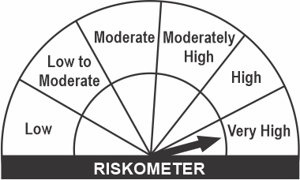
· Investments only in and all stocks comprising Nifty 50 Index in the same weight of these stocks as in Index with objective to replicate performance of NIFTY 50 Index (TRI)

 | Investors understand that their principal will be at Very High Risk
*Investors should consult their financial advisors if in doubt about whether the product is suitable for them.

ID02
IDBI MUTUAL FUND (LIVE SCHEMES) | ID02 |  |  |  |  |  | Back to Index
SCHEME NAME : | IDBI Liquid Fund
PORTFOLIO STATEMENT AS ON : | 2021-12-31
...
BENCHMARK INDEX NAME : | CRISIL Liquid Fund Index
Name of the Instrument / Issuer | ISIN | Rating | Industry ^ | Quantity | Market value (Rs. in Lakhs) | % to AUM | YTM % | Notes & Symbols
Notes & Symbols :-
# -> Less Than 0.005% ; A** -> Awaiting Listing on Stock Exchanges ; T** -> Thinly Traded Securities ; N** -> Non Traded Securities ; I** -> Illiquid Shares ; R** -> Rights Entitlement ; P** Preference Shares ; W** Warrants
1. Non Convertible Debentures and Bonds are considered as Traded based on information provided by external agencies.
2. ^ The Name of the Industry is in accordance with Industry Classification as recommended by AMFI.
3. ## rename as triparty repo on Government securities or treasury bills aa per SEBI Circular No. SEBI/HO/IMD/DF2/CIR/P/2021/024 dated March 04, 2021

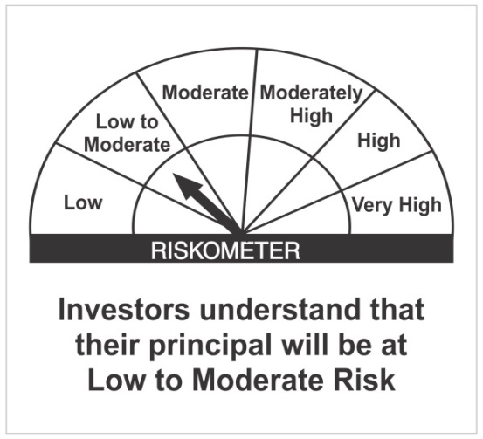
IDBI Liquid Fund |  |  |  | Benchmark - CRISIL Liquid Fund Index
This product is suitable for investors who are seeking*:
• High level of liquidity along with regular income for short term • Investments in Debt/ Money Market Instruments with maturity / residual maturity up to 91 days

 | Investors understand that their principal will be at Low to Moderate Risk
*Investors should consult their financial advisors if in doubt about whether the product is suitable for them.

ID03
...
BENCHMARK INDEX NAME : | CRISIL Ultra Short Term Debt Index
Name of the Instrument / Issuer | ISIN | Rating | Industry ^ | Quantity | Market value (Rs. in Lakhs) | % to AUM | YTM %
Notes & Symbols :-
# -> Less Than 0.005% ; A** -> Awaiting Listing on Stock Exchanges ; T** -> Thinly Traded Securities ; N** -> Non Traded Securities ; I** -> Illiquid Shares ; R** -> Rights Entitlement ; P** Preference Shares ; W** Warrants
1. Non Convertible Debentures and Bonds are considered as Traded based on information provided by external agencies.
2. ^ The Name of the Industry is in accordance with Industry Classification as recommended by AMFI.
3. ## rename as triparty repo on Government securities or treasury bills aa per SEBI Circular No. SEBI/HO/IMD/DF2/CIR/P/2021/024 dated March 04, 2021

IDBI Ultra Short Term Fund |  |  |  | Benchmark - CRISIL Ultra Short Term Debt Index
This product is suitable for investors who are seeking*:
• Regular income for short term • Investments in Debt / Money market instruments with relatively lower interest rate risk, such that the Macaulay duration of the portfolio is maintained between 3 months to 6 months | 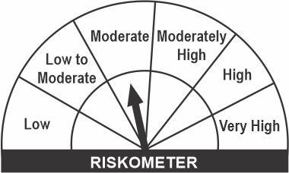

 |  |  |  | 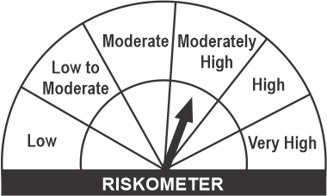
 | Investors understand that their principal will be at Moderate Risk
*Investors should consult their financial advisors if in doubt about whether the product is suitable for them.

ID13
...
BENCHMARK INDEX NAME : | NIFTY Credit Risk Bond Fund
Name of the Instrument / Issuer | ISIN | Rating | Industry ^ | Quantity | Market value (Rs. in Lakhs) | % to AUM | YTM % | YTC % | Notes & Symbols
# -> Less Than 0.005% ; A** -> Awaiting Listing on Stock Exchanges ; T** -> Thinly Traded Securities ; N** -> Non Traded Securities ; I** -> Illiquid Shares ; R** -> Rights Entitlement ; P** Preference Shares ; W** Warrants, B** -> Below Investment Grade Security
1. Non Convertible Debentures and Bonds are considered as Traded based on information provided by external agencies.
2. ^ The Name of the Industry is in accordance with Industry Classification as recommended by AMFI.
3. $ This is with reference to Gazette Notification dated 13th March, 2020 issued by Ministry of Finance (Department of Financial Services) notifying ‘Yes Bank Limited Reconstruction Scheme, 2020’.As per clause no. 3(8)(a) of Yes Bank Ltd 2020, a lock-in period of three (3) years is imposed to the extent of 75% of “Yes Bank Equity Shares (“YBES”)” held by existing shareholders on the date of the commencement of the Scheme i.e. March 14, 2020. These restrictions will apply to all those shareholders who own over 100 YBES. It is decided that in order to have uniform valuation of locked-in Yes Bank shares, any realisation post the lock-in period shall be distributed to the existing set of investors as on March 13, 2020.
4. ## rename as triparty repo on Government securities or treasury bills aa per SEBI Circular No. SEBI/HO/IMD/DF2/CIR/P/2021/024 dated March 04, 2021

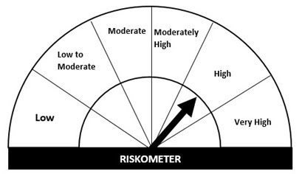
IDBI Credit Risk Fund |  |  |  | Benchmark - NIFTY Credit Risk Bond Fund
This product is suitable for investors who are seeking*:
• Regular income & capital appreciation through active management for at least medium term horizon • Investments predominantly in AA and below rated corporate bonds across maturity spectrum

 | Investors understand that their principal will be at Moderately High Risk
*Investors should consult their financial advisors if in doubt about whether the product is suitable for them.

